Script
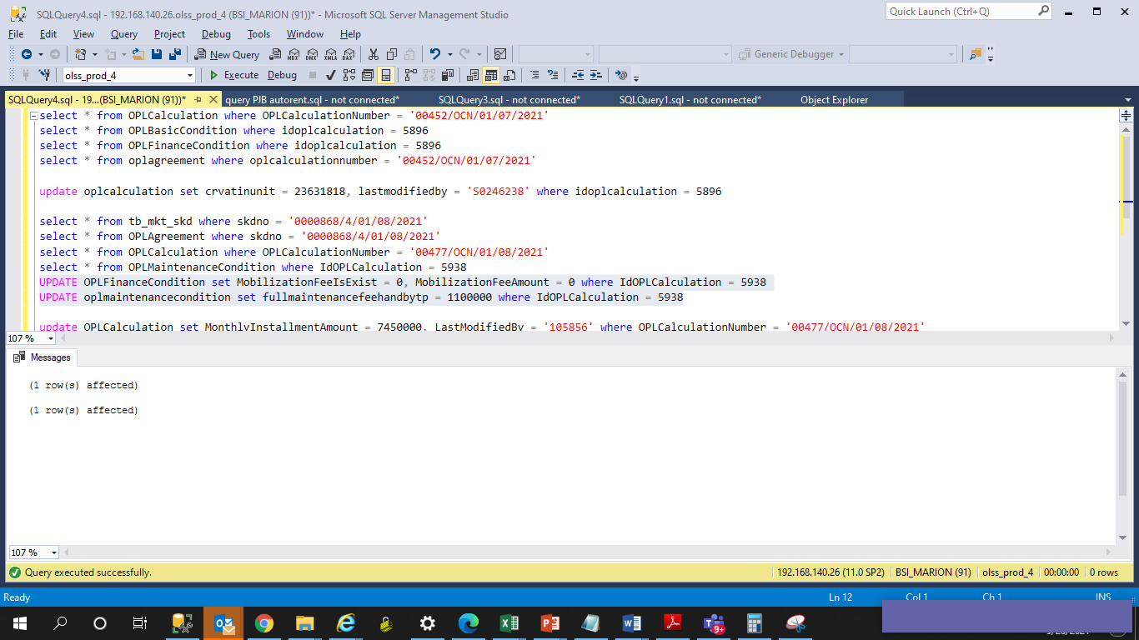
UPDATE OPLFinanceCondition set MobilizationFeeIsExist = 0, MobilizationFeeAmount = 0 where IdOPLCalculation = 5938
UPDATE oplmaintenancecondition set fullmaintenancefeehandbytp = 1100000 where IdOPLCalculation = 5938

Screenshot
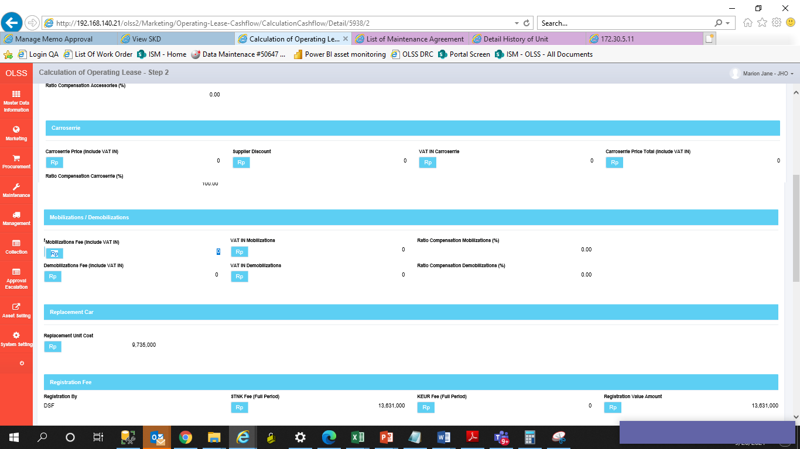
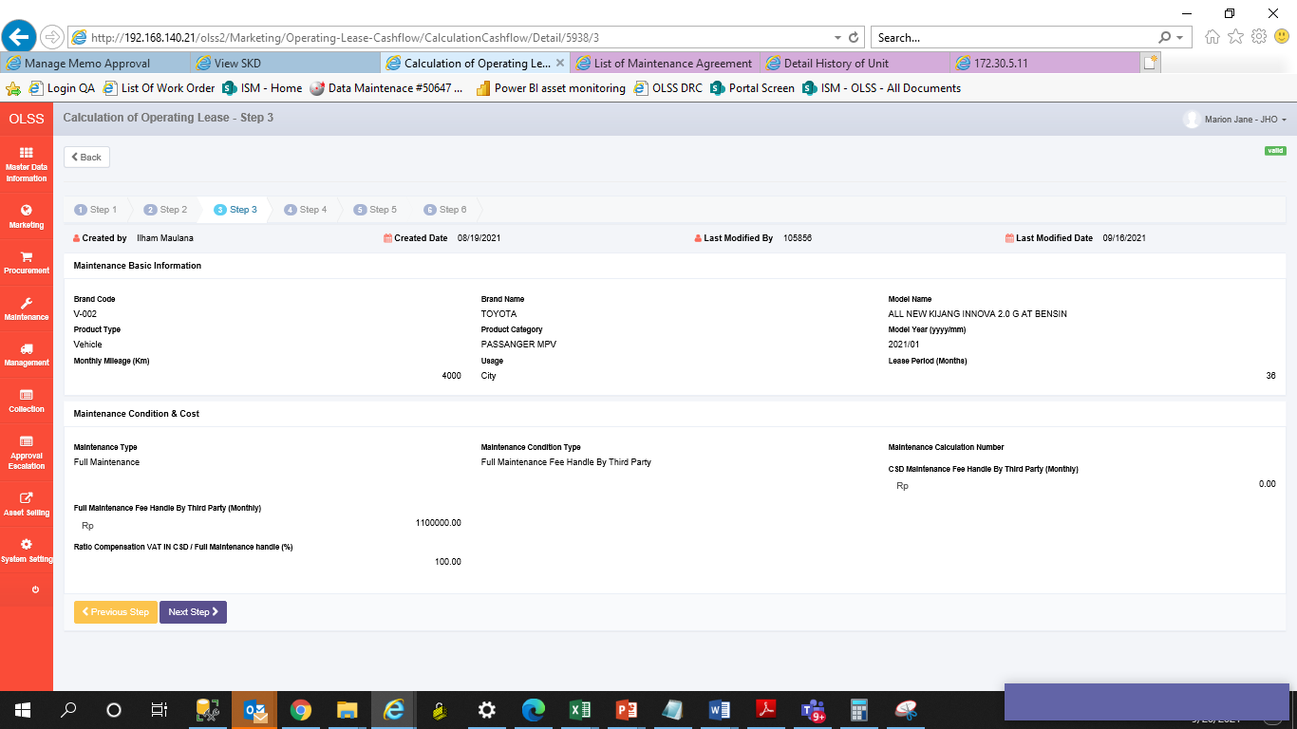
BEFORE
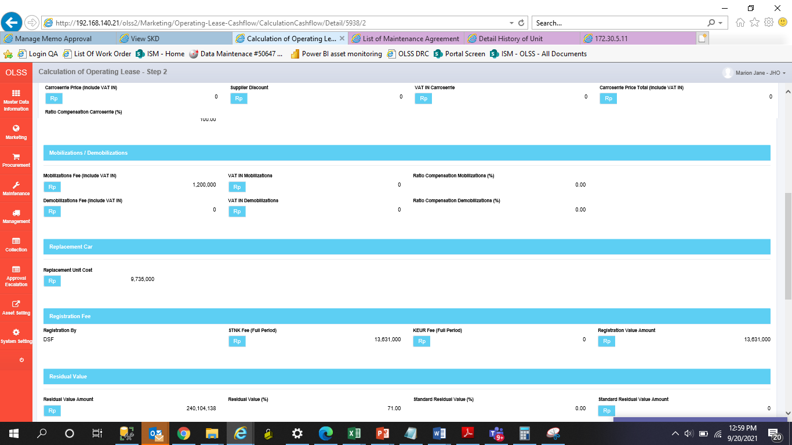
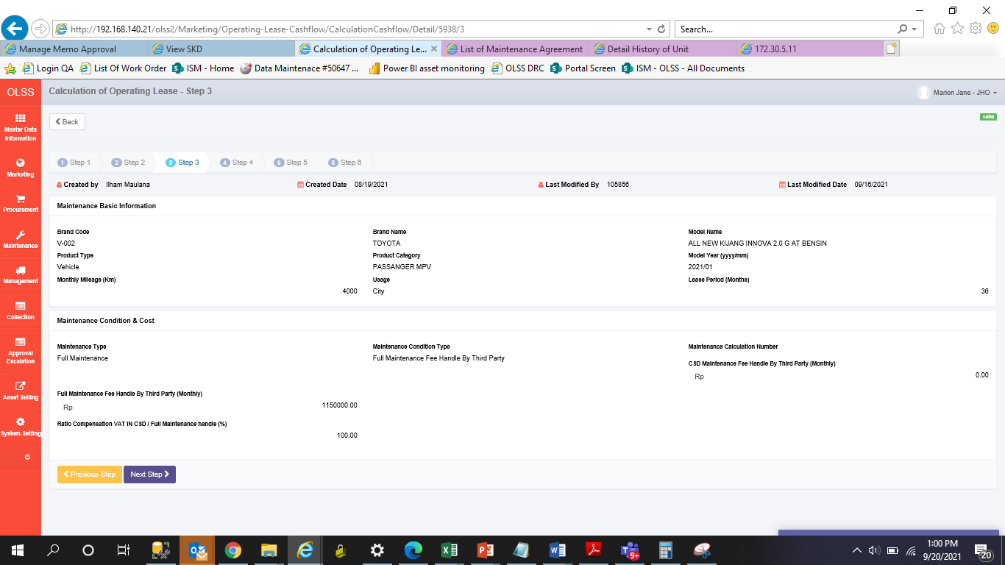

AFTER

AFTER

